1. Title Page
[Grocery Basket Analysis]

Project Name: Grocery Basket Analysis
Date: 8/8/24
Analyst Name: Theo Liang

Contents:
Population Flow
Consistency checks
Wrangling steps
Column derivations
Visualizations
Recommendations

“The Instacart Online Grocery Shopping Dataset 2017”, Accessed from www.instacart.com/datasets/grocery-shopping-2017 via Kaggle on 8/20/24.

Note: The customer data as well as the "prices" column in the products data set were both fabricated for learning purposes.

2. Population Flow
Title page

Population flow

Exclusion flag
Condition: max_order < 5
Obervations to be removed: N/A
Final total count of order_products_all: N/A

Orders_products_combined
Orders_products_merged
Orders_products_all

Total: 32,404,859
Total: 32,434,489
Total: N/A due to Memory issues

1.) The grey boxes in the first row of the population flow represent the original data sets as they were when you downloaded them. In the Total fields you need to add the count of the rows when you imported the data set into Jupyter.
2.) The second row of boxes (coloured) represents the data sets after you manipulated them, e.g., removed missing values and duplicates. In the Total fields you need to add the count of the rows after conducting these operations. This offers a visual oveview of how the data flows throughout the data consistency checks.
3.) The third row, where also the arrows are coloured, represents the merges you performed between the datasets. In the Total fields you need to add the count of the rows in the merged datasets, so that you end up with the final dataset (in the red box). Keep in mind the final dataset should be without exclusions (based on the exclusion flag).

3. Consistency checks
 |  |  |  | Title page
Consistency checks

Dataset | Missing values | Missing values treatment | Duplicates
orders | days_since_prior_order (206209 values) | created a new dataframe | no duplicates found
products | product_name (16 values) | created a new dataframe | removed 5 duplicates
orders_products_prior | no missing values | N/A | no duplicates found
customers | no missing values | N/A | no duplicates found

4. Wrangling steps
 |  |  |  | Title page
Wrangling steps

Columns dropped | Columns renamed | Columns' type changed | Comment/Reason
eval_set |  |  | was the prior data set released by Instacart
 | order_dow to orders_day_of_week |  | column name was previously unintuitive
 |  | order_id | changed to String because it is an identifier variable
 |  | user_id | changed to String because it is an identifier variable
 | First Name to first_name |  | for uniformity
 | Surnam to last_name |  | for uniformity
 | Gender to gender |  | for uniformity
 | STATE to state |  | for uniformity
 | Age to age |  | for uniformity
 | n_dependants to num_of_dependents |  | for clarity and uniformity
first_name |  |  | Personally Identifiable Information
last_name |  |  | Personally Identifiable Information

5. Column derivations
 |  |  |  | Title page

Column derivations and aggregations

In this tab you should add tables below that the frequences of flags/label variables that you produced after deriving them. NB: don't do this for continuous variables, only for flags.
Dataset | New column | Column/s it was derived from | Conditions
ords_prods_merge | max_order | order_number | returns maximum of order_number column
ords_prods_merge | loyalty_flag | max_order | max_order > 40 = loyal customer, max_order between 10 and 40 = regular customer, max_order <= 10 = new customer
ords_prods_merge | mean_price_of_products | prices | returns mean of prices column
ords_prods_merge | spending_flag | mean_price_of_products | mean_price_of_products < 10 = low spender and mean_price_of_products >= 10 = high spender
ords_prods_merge | median_days_between_orders | days_since_prior_order | returns median of days_since_prior_order column
ords_prods_merge | order_frequency | median_days_between_orders | median_days_between_orders > 20 = Non-frequent customer, median_days_between_orders between 10 and 20 = Regular customer, median_days_between_orders <= 10 = Frequent customer
order_products_all | age_group | age | age <=34 is considered Young Adult, age 35-55 is considered Middle Age, and age 55+ is considered Older Adult
order_products_all | income_level | income | income less than 30,000 is considered Low Income, income between 30,000 and 100,000 is considered Middle Income, and income greater than 100,000 is considered High Income
order_products_all | dependents_flag | dependents | either has greater than 0 dependents or has 0 dependents

6. Visualizations
 |  | Title page

Visualisations

In this tab you should include all the visualtions from Exercises 4.9 and 4.10, alongside the questions from the project brief that they answer. Include any commentary on the relationship between different variables.

Note: All charts and tables represent only a subset of the dataset. A random sample size of 100 was used.
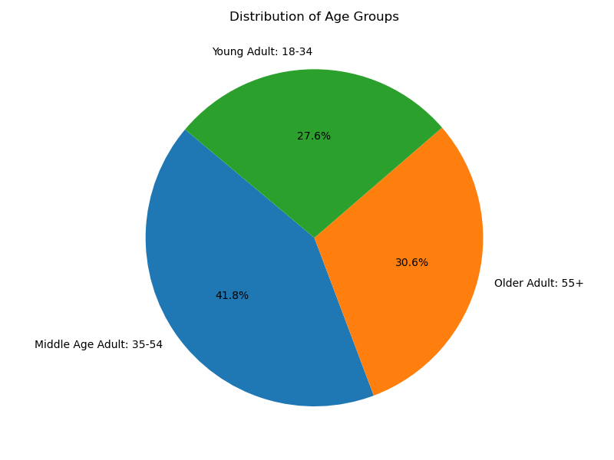
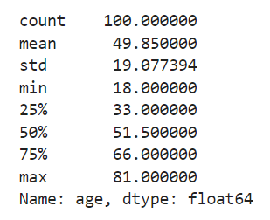
 | Used for customer profiling, the pie chart and table provide statistics on Instacart's clientele. The table shows that the youngest customer is 18 years old and the oldest customer is 81 years old. The pie chart shows the distribution of the age groups: young adult, middle age adult, and older adult with their corresponding age ranges.

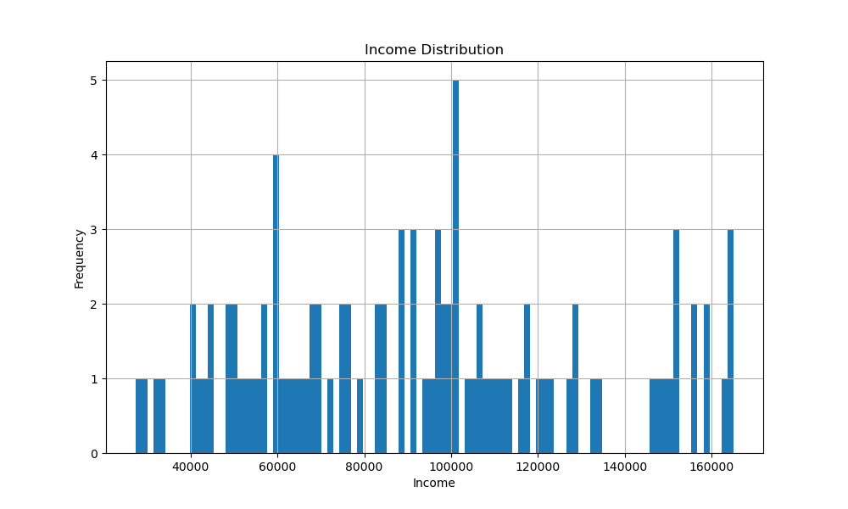

 | This histogram shows the income of each of the 100 individuals in the random sample. There are more individuals earning less than $100,000 than above $100,000.

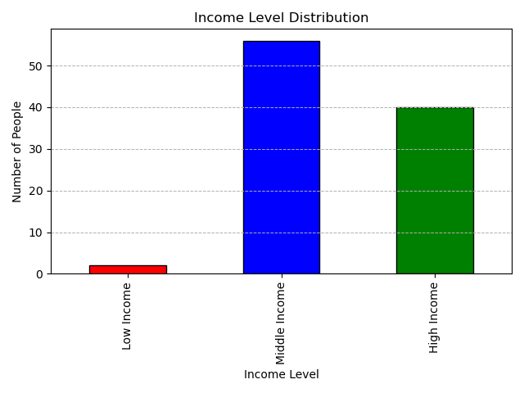

 | This bar chart shows the number of customers (random sample size 100) in each income bracket. Low income is categorized as earning $30,000 or less. Middle income is categorized as earning between $30,000 and $100,000. High income is categorized as earning anything higher than $100,000. Instacart's customers are predominantly middle income earners, some high income earners, and very few low income earners.

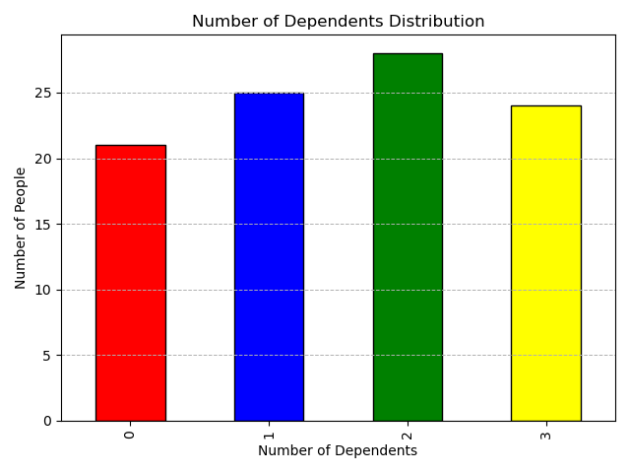
 | This bar chart shows the number of dependents an individual customer has (random sample size 100). A majority of individuals have dependents with having 2 dependents being the most common.

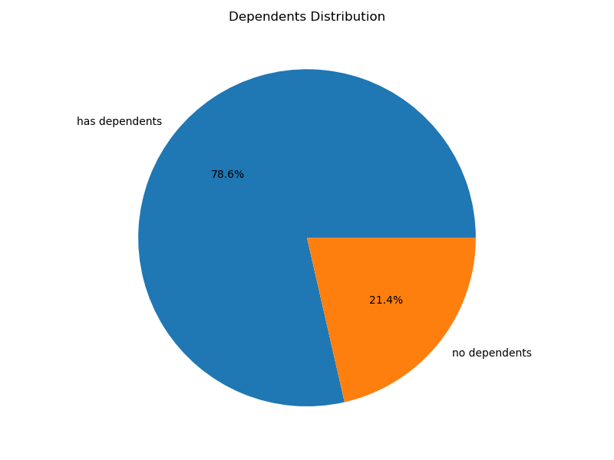

 | This pie chart is another way to visualize the bar chart from above. Instead of dividing the number of dependents into categories, this chart simply looks at whether an individual customer has dependents or not. The pie chart shows that more than 75% of Instacart customers have dependents.

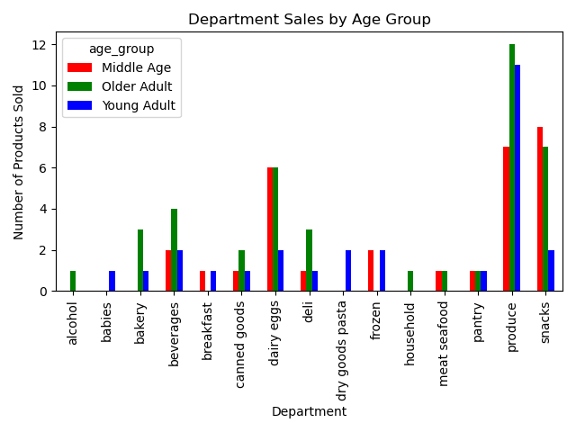
 | This bar chart gives us insight on the relationship between age groups and their shopping habits, primarily focusing on which departments they shop from the most. From the chart, 3 departments stand out: dairy eggs, produce, and snacks. These 3 departments are the top 3 departments for both middle age adults and older adults. For young adults, produce is the top department by far.

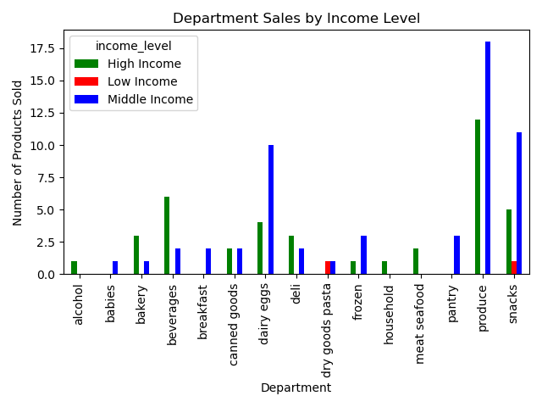
 | This bar chart continues to look at department sales, but this time compares the sales to customers' income level. The chart produces similar results as the previous chart. Dairy eggs, produce, and snacks are high in sales. These 3 departments make up the top 3 for middle income earners, top 2 for high income earners, and top 1 for low income earners. This chart also shows that low income earners do not contribute much to Instacart sales.

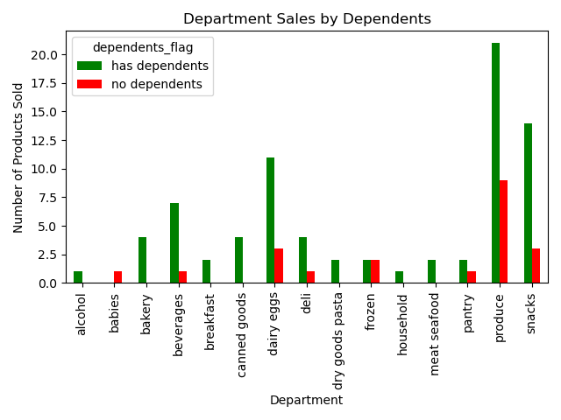
 | This chart looks at the relationship between department sales and whether or not a customer has dependents. Again, we see a similar trend with dairy eggs, produce, and snacks being the top 3 departments with the highest sales. In both cases, having dependents or not, these 3 departments are the top 3 departments with the highest number of products sold. Customers with dependents contribute more to Instacart sales than customers without dependents.

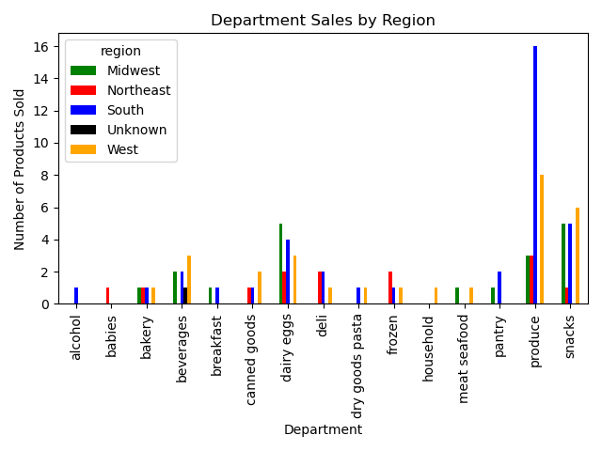
 | This bar chart looks at the relationship between department sales and region. Once again, the top 3 departments with the highest sales are dairy eggs, produce, and snacks. The South bought the most products from the produce department than any other region by far. The beverages, deli, and frozen departments are also departments that saw more sales than other departments.

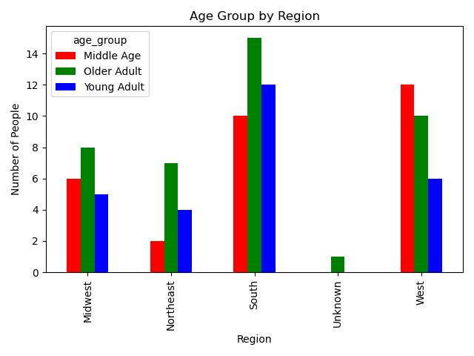
 | This bar chart shows the relationship between age group and region. The South produces the most customers for Instacart. This could explain the high number of sales from the South in the previous chart. Most young adults and older adults are from the South and most middle aged adults are from the West.

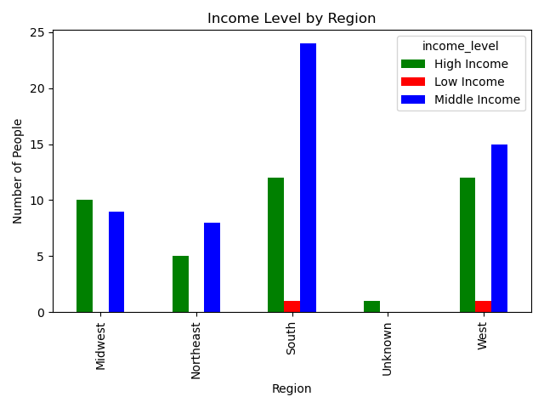
 | This bar chart looks at the relationship between customers' income level and the region in which they live. High income earners are relatively spread out across the US, most middle income earners are from the South, and the few low income earners are from the South and the West.

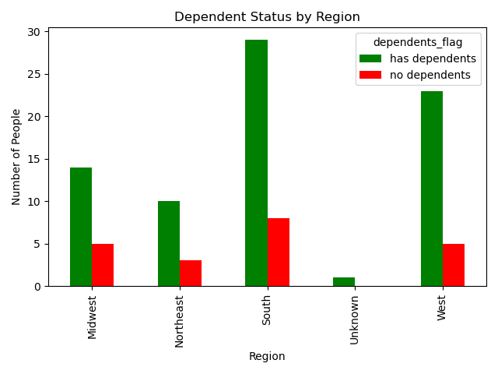
 | This bar chart looks at the relationship between customers with and without dependents and where they live. Most customers with dependents are from the south and the West, and customers without dependents are spread across the US.

7. Recommendations
 |  |  |  |  | Title page

Recommendations

In this tab you should include any recommendations you would made to Instcart in terms of their marketing strategy based on the questions posed in the brief. Every key question has been covered in the Tasks of the Exercises - here you need to add an item - a visualisation or table/crosstable that is showing the answer in the data, acompanied by a comment from you. Please, list the questions below and add the answer underneath.

Question | Answer
Key Question 1: The sales team needs to know what the busiest days of the week and hours of the day are (i.e., the days and times with the most orders) in order to schedule ads at times when there are fewer orders. | The bar chart looks at the number of orders (in millions) by the day of the week. Sunday and Monday are the days with the highest number of orders. Wednesday and Thursday are the days with the lowest number of orders. The histogram looks at the number of orders (in millions) by the hour of the day. 10am and 11am are the hours with the highest number of orders. 3am and 4am are the hours with the lowest number of orders. Recommendation: Schedule ads on Wednesday and Thursdays at 3-4am. | 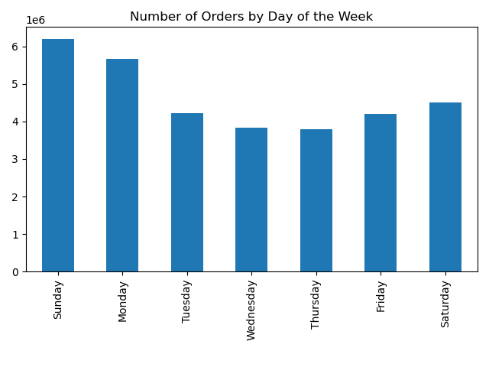 | 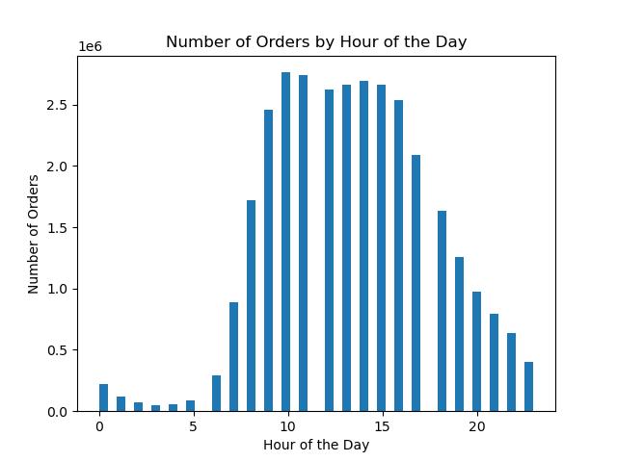

Key Question 2: They also want to know whether there are particular times of the day when people spend the most money, as this might inform the type of products they advertise at these times. | The line chart shows the average spending price of products by the hour of the day. People spend the most money on average at 3am. Recommendation: Schedule ads on Wednesday and Thursdays at 3-4am.

Key Question 3: Instacart has a lot of products with different price tags. Marketing and sales want to use simpler price range groupings to help direct their efforts. | The table shows the count of each price range grouping. Low-range product: $5 or less Mid-range product: $5-$15 High-range product: $15+ The bar chart visualizes the data. Recommendation: Carry more low-range products in order to attract more low-income customers. | 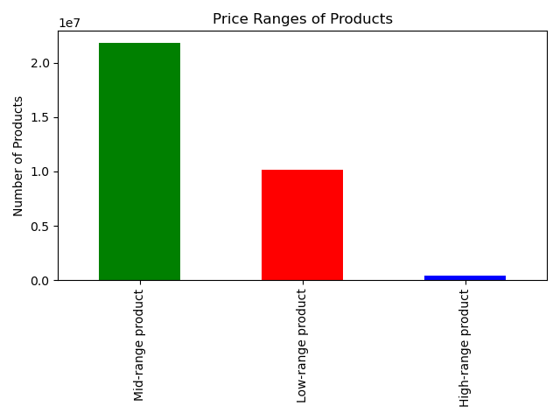 |  | 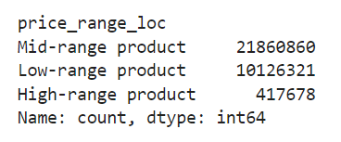

Key Question 4: Are there certain types of products that are more popular than others? The marketing and sales teams want to know which departments have the highest frequency of product orders. | The bar chart looks at the number of orders by department. The departments with the highest frequency of products orders are produce, dairy eggs, beverages, and pantry. Recommendation: Maintain a healthy inventory of products in the top 5 departments, but be mindful of food spoilage.
 |  | 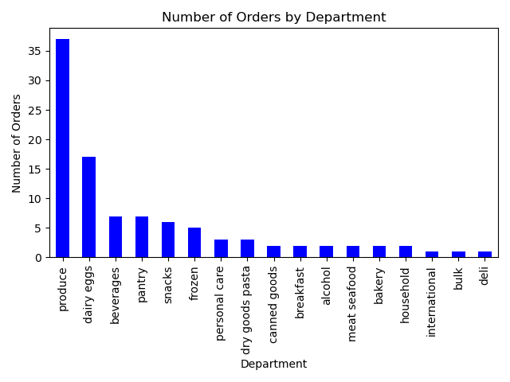
Key Question 5: The marketing and sales teams are particularly interested in the different types of customers in their system and how their ordering behaviors differ. | This bar chart gives us insight on the relationship between age groups and their shopping habits, primarily focusing on which departments they shop from the most. From the chart, 3 departments stand out: dairy eggs, produce, and snacks. These 3 departments are the top 3 departments for both middle age adults and older adults. For young adults, produce is the top department by far. Recommendation: Maintain a healthy inventory of products in the top 5 departments, but be mindful of food spoilage. Consider carrying different brands and products depending on target audience. This bar chart continues to look at department sales, but this time compares the sales to customers' income level. The chart produces similar results as the previous chart. Dairy eggs, produce, and snacks are high in sales. These 3 departments make up the top 3 for middle income earners, top 2 for high income earners, and top 1 for low income earners. This chart also shows that low income earners do not contribute much to Instacart sales. Recommendation: Maintain a healthy inventory of products in the top 5 departments, but be mindful of food spoilage. Carry more low-range products in order to attract more low-income customers.

 | This chart looks at the relationship between department sales and whether or not a customer has dependents. Again, we see a similar trend with dairy eggs, produce, and snacks being the top 3 departments with the highest sales. In both cases, having dependents or not, these 3 departments are the top 3 departments with the highest number of products sold. Customers with dependents contribute more to Instacart sales than customers without dependents. Recommendation: Maintain a healthy inventory of products in the top 5 departments, but be mindful of food spoilage. Consider carrying different brands and products depending on target audience.

 | This bar chart looks at the relationship between department sales and region. Once again, the top 3 departments with the highest sales are dairy eggs, produce, and snacks. The South bought the most products from the produce department than any other region by far. The beverages, deli, and frozen departments are also departments that saw more sales than other departments. Recommendation: Maintain a healthy inventory of products in the top 5 departments, but be mindful of food spoilage. Consider carrying different brands and products depending on target audience.

